Metrics and Plots
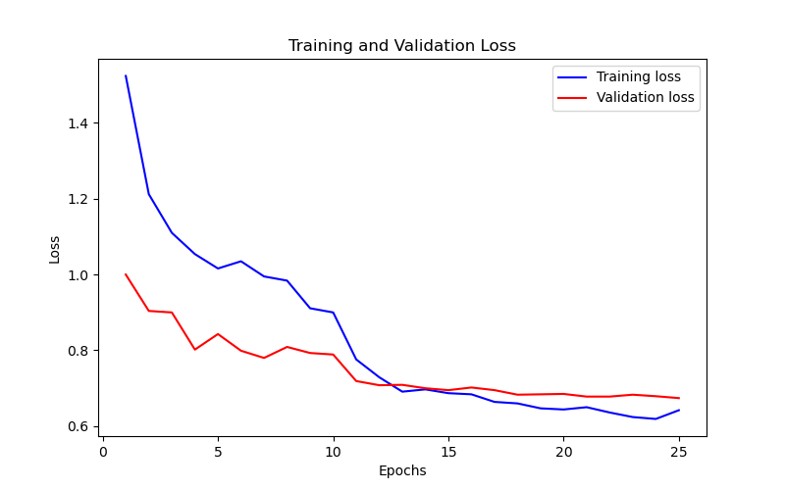
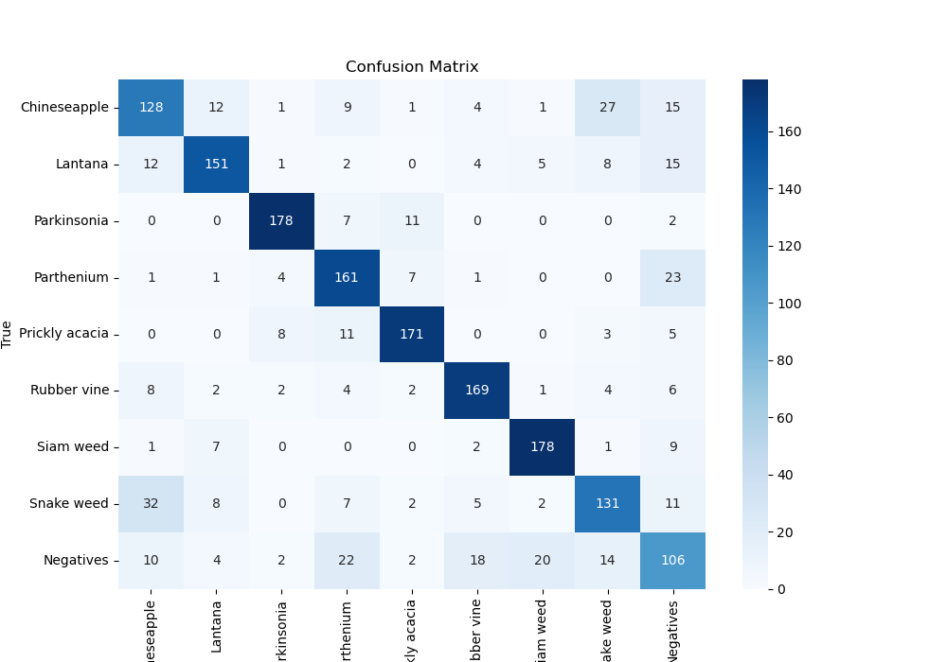
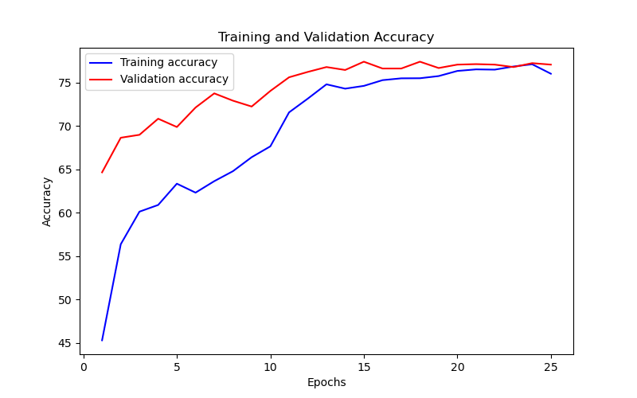
Epoch | Train Accuracy | Train Loss | Validation Accuracy | Validation Loss
1 | 45.31 | 1.524 | 64.646464646 | 1
2 | 56.37 | 1.212 | 68.630751964 | 0.904
3 | 60.12 | 1.11 | 68.967452301 | 0.9
4 | 60.89 | 1.054 | 70.819304153 | 0.802
5 | 63.34 | 1.016 | 69.865319865 | 0.843
6 | 62.31 | 1.035 | 72.109988777 | 0.799
7 | 63.63 | 0.995 | 73.737373737 | 0.78
8 | 64.78 | 0.984 | 72.895622896 | 0.809
9 | 66.39 | 0.911 | 72.222222222 | 0.793
10 | 67.64 | 0.9 | 74.017957351 | 0.789
11 | 71.55 | 0.776 | 75.589225589 | 0.719
12 | 73.13 | 0.729 | 76.20650954 | 0.708
13 | 74.78 | 0.691 | 76.767676768 | 0.709
14 | 74.28 | 0.697 | 76.430976431 | 0.7
15 | 74.6 | 0.687 | 77.384960718 | 0.695
16 | 75.26 | 0.684 | 76.599326599 | 0.702
17 | 75.47 | 0.664 | 76.599326599 | 0.695
18 | 75.48 | 0.66 | 77.384960718 | 0.683
19 | 75.73 | 0.647 | 76.655443322 | 0.684
20 | 76.32 | 0.644 | 77.048260382 | 0.685
21 | 76.5 | 0.65 | 77.104377104 | 0.678
22 | 76.47 | 0.636 | 77.048260382 | 0.678
23 | 76.83 | 0.624 | 76.767676768 | 0.683
24 | 77.09 | 0.619 | 77.21661055 | 0.679
25 | 76 | 0.642 | 77.048260382 | 0.674

